SAU Student Achievement
St. Ambrose University
Patricia VanBruwaene College of Business Student Achievement

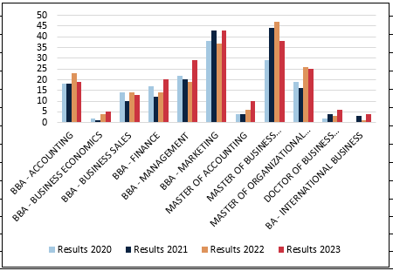
Graduates by Program | Goal 2020 | Results 2020 | Goal 2021 | Results 2021 | Goal 2022 | Results 2022 | Goal 2023 | Results 2023
BBA - Accounting | 20 | 18 | 20 | 18 | 20 | 23 | 20 | 19
BBA - Business Economics | 10 | 2 | 10 | 1 | 10 | 4 | 10 | 5
BBA - Business Sales | 15 | 14 | 15 | 10 | 15 | 14 | 15 | 13
BBA - Finance | 10 | 17 | 10 | 12 | 15 | 14 | 15 | 20
BBA - Management | 20 | 22 | 25 | 20 | 20 | 19 | 23 | 29
BBA - Marketing | 40 | 38 | 40 | 43 | 40 | 37 | 40 | 43
Master of Accounting | 6 | 4 | 6 | 4 | 6 | 6 | 6 | 10
Master of Business Administration | 25 | 29 | 50 | 44 | 42 | 47 | 38 | 38
Master of Organizational Leadership | 12 | 19 | 17 | 16 | 15 | 26 | 9 | 25
Doctor of Business Administration | 2 | 2 | 2 | 4 | 3 | 3 | 5 | 6
BBA - International Business | 0 | 0 | 2 | 3 | 1 | 1 | 1 | 4
Total | 160 | 165 | 197 | 175 | 187 | 194 | 182 | 212

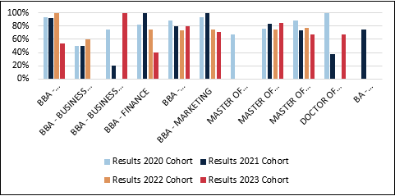
Retention (New Student FA to FA Census) | Goal 2020 = greater than % | Results 2020 Cohort | Goal 2021 = greater than % | Results 2021 Cohort | Goal 2022 = greater than % | Results 2022 Cohort | Goal 2023 = greater than % | Results 2023 Cohort
BBA - Accounting | 90% | 93% | 90% | 92% | 90% | 100% | 90% | 54%
BBA - Business Economics | 75% | 50% | 75% | 50% | 75% | 60% | 75% | 0%
BBA - Business Sales | 50% | 75% | 50% | 20% | 50% |  | 50% | 100%
BBA - Finance | 90% | 82% | 90% | 100% | 90% | 75% | 90% | 40%
BBA - Management | 85% | 88% | 85% | 80% | 85% | 73% | 85% | 80%
BBA - Marketing | 90% | 94% | 90% | 100% | 90% | 75% | 90% | 71%
Master of Business Administration | 80% | 76% | 80% | 83% | 80% | 75% | 80% | 85%
Master of Organizational Leadership | 82% | 88% | 82% | 73% | 82% | 77% | 82% | 67%
Doctor of Business Administration | 75% | 100% | 75% | 38% | 75% | 0% | 75% | 67%
BBA - International Business | NA | NA | 70% | 75% | 70% | NA | 70% | NA
Total | 80% | 83% | 79% | 71% | 79% | 67% | 79% | 63%

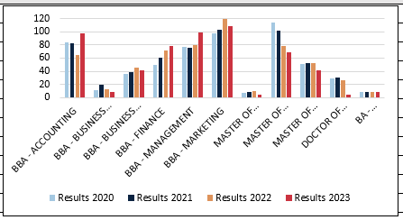
Total Majors by Program (Fall Census) | Goal 2020 | Results 2020 | Goal 2021 | Results 2021 | Goal 2022 | Results 2022 | Goal 2023 | Results 2023
BBA - Accounting | 80 | 84 | 80 | 82 | 80 | 65 | 80 | 97
BBA - Business Economics | 15 | 11 | 15 | 19 | 15 | 13 | 15 | 8
BBA - Business Sales | 40 | 36 | 40 | 38 | 40 | 45 | 40 | 41
BBA - Finance | 50 | 49 | 55 | 60 | 60 | 72 | 60 | 78
BBA - Management | 75 | 77 | 80 | 76 | 80 | 80 | 85 | 99
BBA - Marketing | 100 | 97 | 100 | 103 | 110 | 120 | 125 | 109
Master of Accounting | 8 | 7 | 8 | 8 | 8 | 10 | 8 | 5
Master of Business Administration | 90 | 114 | 104 | 102 | 109 | 78 | 83 | 69
Master of Organizational Leadership | 44 | 51 | 48 | 52 | 68 | 52 | 68 | 42
Doctor of Business Administration | 31 | 29 | 30 | 31 | 28 | 26 | 25 | 5
BBA - International Business | 12 | 9 | 10 | 8 | 7 | 8 | 7 | 9
Total | 545 | 564 | 570 | 579 | 605 | 569 | 596 | 562

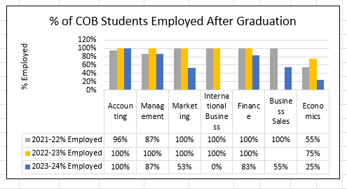
% Employed After Graduation | Goal 2021-22 | Results 2021-22 | Goal 2022-23 | Results 2022-23 | Goal 2023-4 | Results 2023-4
BBA - Accounting | 90% | 96% | 90% | 100% | 90% | 100%
BBA - Business Economics | 90% | 55% | 90% | 75% | 90% | 25%
BBA - Business Sales | 90% | 100% | 90% | 100% | 90% | 55%
BBA - Finance | 90% | 100% | 90% | 100% | 90% | 83%
BBA - Management | 90% | 87% | 90% | 100% | 90% | 87%
BBA - Marketing | 90% | 100% | 90% | 100% | 90% | 58%
BBA - International Business | 90% | 100% | 90% | 100% | 90% | 0%

